Charts
Net Sales
 | -0.73%
 | 0.69%
 | -2.36%
 | 2.45%
Depreciation and Amortization
 | 4.7%
 | 4.7%
 | 4.9%
 | 5.0%
 | 5.2%

Deferred Income Taxes
 | 1.78%
 | 1.57%
 | 1.34%
 | 1.46%
 | 1.12%

Crystal Ball Report
 |  |  |  | Crystal Ball Report - Full
 |  |  |  | Simulation started on 11/27/2018 at 6:12 PM
 |  |  |  | Simulation stopped on 11/27/2018 at 6:14 PM

 | Run preferences:
 |  | Number of trials run | 1,000
 |  | Monte Carlo
 |  | Random seed

 | Run statistics:
 |  | Total running time (sec) | 101.75
 |  | Trials/second (average) | 10
 |  | Random numbers per sec | 315

 | Crystal Ball data:
 |  | Assumptions | 32
 |  | Correlations | 0
 |  | Correlation matrices | 0
 |  | Decision variables | 0
 |  | Forecasts | 1

 |  |  |  | Forecasts

Worksheet: [Kohls Valuation Product Student Template working 11.27.2018.xlsx]CB Simulation

Forecast: Value per share |  |  |  |  | Cell: M32

 | Summary:
 |  | Entire range is from $49.06 to $117.66
 |  | Base case is $82.22
 |  | After 1,000 trials, the std. error of the mean is $0.36

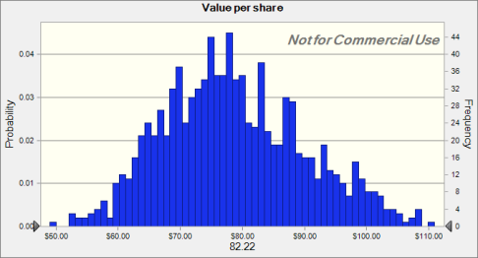

 | Statistics: |  | Forecast values
 |  | Trials | 1,000
 |  | Base Case | $82.22
 |  | Mean | $78.72
 |  | Median | $77.79
 |  | Mode | $74.61
 |  | Standard Deviation | $11.48
 |  | Variance | $131.77
 |  | Skewness | 0.3697
 |  | Kurtosis | 2.84
 |  | Coeff. of Variation | 0.1458
 |  | Minimum | $49.06
 |  | Maximum | $117.66
 |  | Range Width | $68.60
 |  | Mean Std. Error | $0.36

Forecast: Value per share (cont'd) |  |  |  |  | Cell: M32

 | Percentiles: |  | Forecast values
 |  | 0% | $49.06
 |  | 10% | $64.42
 |  | 20% | $68.65
 |  | 30% | $72.05
 |  | 40% | $74.89
 |  | 50% | $77.77
 |  | 60% | $80.37
 |  | 70% | $83.87
 |  | 80% | $88.34
 |  | 90% | $94.67
 |  | 100% | $117.66

End of Forecasts
 |  |  |  | Assumptions

Worksheet: [Kohls Valuation Product Student Template working 11.27.2018.xlsx]CB Simulation

Assumption: E14 |  |  |  |  | Cell: E14

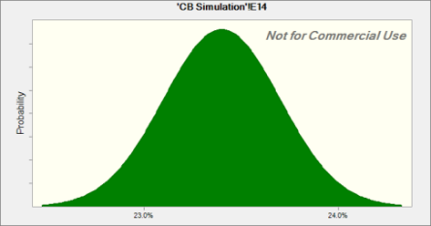
 | Normal distribution with parameters:
 |  | Mean | 23.4%
 |  | Std. Dev. | 0.3%

Assumption: E20 |  |  |  |  | Cell: E20

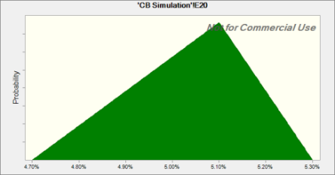
 | Triangular distribution with parameters:
 |  | Minimum | 4.70%
 |  | Likeliest | 5.10%
 |  | Maximum | 5.30%

Assumption: E26 |  |  |  |  | Cell: E26

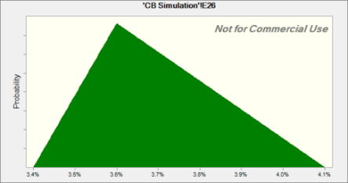
 | Triangular distribution with parameters:
 |  | Minimum | 3.4%
 |  | Likeliest | 3.6%
 |  | Maximum | 4.1%

Assumption: E5 |  |  |  |  | Cell: E5

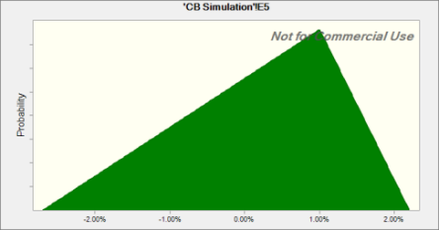
 | Triangular distribution with parameters:
 |  | Minimum | -2.70%
 |  | Likeliest | 1.00%
 |  | Maximum | 2.20%

Assumption: E9 |  |  |  |  | Cell: E9


 | Normal distribution with parameters:
 |  | Mean | 63.8%
 |  | Std. Dev. | 0.1%

Assumption: F14 |  |  |  |  | Cell: F14


 | Normal distribution with parameters:
 |  | Mean | 23.4%
 |  | Std. Dev. | 0.3%

Assumption: F20 |  |  |  |  | Cell: F20


 | Triangular distribution with parameters:
 |  | Minimum | 4.70%
 |  | Likeliest | 5.10%
 |  | Maximum | 5.30%

Assumption: F26 |  |  |  |  | Cell: F26


 | Triangular distribution with parameters:
 |  | Minimum | 3.4%
 |  | Likeliest | 3.6%
 |  | Maximum | 4.1%

Assumption: F5 |  |  |  |  | Cell: F5


 | Triangular distribution with parameters:
 |  | Minimum | -2.70%
 |  | Likeliest | 1.00%
 |  | Maximum | 2.20%

Assumption: F9 |  |  |  |  | Cell: F9


 | Normal distribution with parameters:
 |  | Mean | 63.8%
 |  | Std. Dev. | 0.1%

Assumption: G14 |  |  |  |  | Cell: G14


 | Normal distribution with parameters:
 |  | Mean | 23.4%
 |  | Std. Dev. | 0.3%

Assumption: G20 |  |  |  |  | Cell: G20


 | Triangular distribution with parameters:
 |  | Minimum | 4.70%
 |  | Likeliest | 5.10%
 |  | Maximum | 5.30%

Assumption: G26 |  |  |  |  | Cell: G26


 | Triangular distribution with parameters:
 |  | Minimum | 3.4%
 |  | Likeliest | 3.6%
 |  | Maximum | 4.1%

Assumption: G5 |  |  |  |  | Cell: G5


 | Triangular distribution with parameters:
 |  | Minimum | -2.70%
 |  | Likeliest | 1.00%
 |  | Maximum | 2.20%

Assumption: G9 |  |  |  |  | Cell: G9


 | Normal distribution with parameters:
 |  | Mean | 63.8%
 |  | Std. Dev. | 0.1%

Assumption: H14 |  |  |  |  | Cell: H14


 | Normal distribution with parameters:
 |  | Mean | 23.4%
 |  | Std. Dev. | 0.3%

Assumption: H20 |  |  |  |  | Cell: H20


 | Triangular distribution with parameters:
 |  | Minimum | 4.70%
 |  | Likeliest | 5.10%
 |  | Maximum | 5.30%

Assumption: H26 |  |  |  |  | Cell: H26


 | Triangular distribution with parameters:
 |  | Minimum | 3.4%
 |  | Likeliest | 3.6%
 |  | Maximum | 4.1%

Assumption: H5 |  |  |  |  | Cell: H5


 | Triangular distribution with parameters:
 |  | Minimum | -2.70%
 |  | Likeliest | 1.00%
 |  | Maximum | 2.20%

Assumption: H9 |  |  |  |  | Cell: H9


 | Normal distribution with parameters:
 |  | Mean | 63.8%
 |  | Std. Dev. | 0.1%

Assumption: I14 |  |  |  |  | Cell: I14


 | Normal distribution with parameters:
 |  | Mean | 23.4%
 |  | Std. Dev. | 0.3%

Assumption: I20 |  |  |  |  | Cell: I20


 | Triangular distribution with parameters:
 |  | Minimum | 4.70%
 |  | Likeliest | 5.10%
 |  | Maximum | 5.30%

Assumption: I26 |  |  |  |  | Cell: I26


 | Triangular distribution with parameters:
 |  | Minimum | 3.4%
 |  | Likeliest | 3.6%
 |  | Maximum | 4.1%

Assumption: I5 |  |  |  |  | Cell: I5


 | Triangular distribution with parameters:
 |  | Minimum | -2.70%
 |  | Likeliest | 1.00%
 |  | Maximum | 2.20%

Assumption: I9 |  |  |  |  | Cell: I9


 | Normal distribution with parameters:
 |  | Mean | 63.8%
 |  | Std. Dev. | 0.1%

Assumption: NOWC as a % of Revenue · 2 |  |  |  |  | Cell: E29

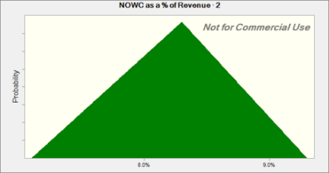
 | Triangular distribution with parameters:
 |  | Minimum | 7.1%
 |  | Likeliest | 8.3%
 |  | Maximum | 9.3%

Assumption: NOWC as a % of Revenue · 3 |  |  |  |  | Cell: F29


 | Triangular distribution with parameters:
 |  | Minimum | 7.1%
 |  | Likeliest | 8.3%
 |  | Maximum | 9.3%

Assumption: NOWC as a % of Revenue · 4 |  |  |  |  | Cell: G29


 | Triangular distribution with parameters:
 |  | Minimum | 7.1%
 |  | Likeliest | 8.3%
 |  | Maximum | 9.3%

Assumption: NOWC as a % of Revenue · 5 |  |  |  |  | Cell: H29


 | Triangular distribution with parameters:
 |  | Minimum | 7.1%
 |  | Likeliest | 8.3%
 |  | Maximum | 9.3%

Assumption: NOWC as a % of Revenue · 6 |  |  |  |  | Cell: I29


 | Triangular distribution with parameters:
 |  | Minimum | 7.1%
 |  | Likeliest | 8.3%
 |  | Maximum | 9.3%

Assumption: Perpetual Growth Rate |  |  |  |  | Cell: M24

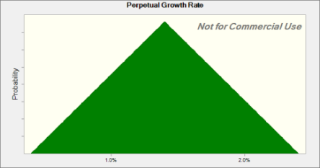
 | Triangular distribution with parameters:
 |  | Minimum | 0.4%
 |  | Likeliest | 1.4%
 |  | Maximum | 2.4%

Assumption: WACC |  |  |  |  | Cell: M6

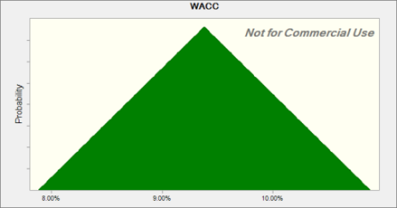
 | Triangular distribution with parameters:
 |  | Minimum | 7.88%
 |  | Likeliest | 9.38%
 |  | Maximum | 10.88%

End of Assumptions

